Clients Requirement
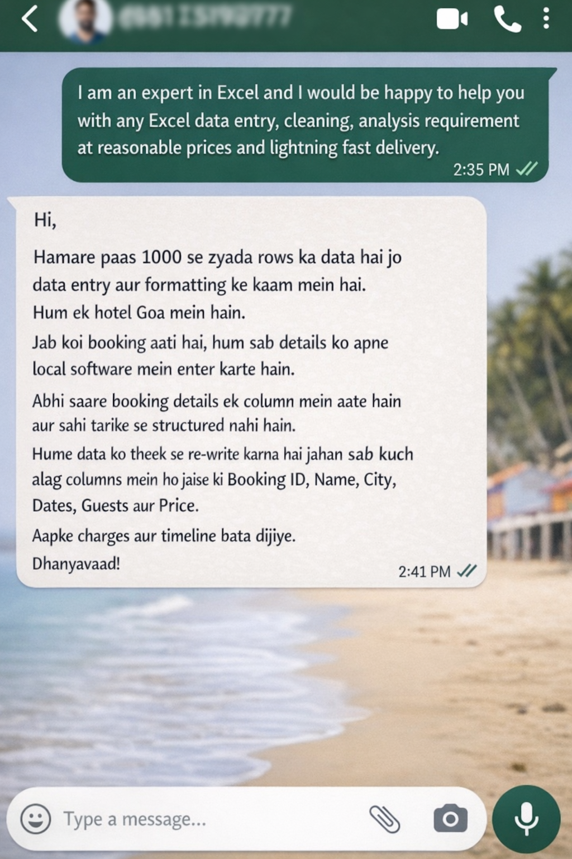

Clients's Requirement

Home Work
Write Total amount for the confirmed bookings in the comment section of this video :)



Fulfil the requirement and I'll Pay you a Good amount...

I have hotel bookings data in a single columns and I want you to re-write it in different columns and format it properly.

